Additional Information
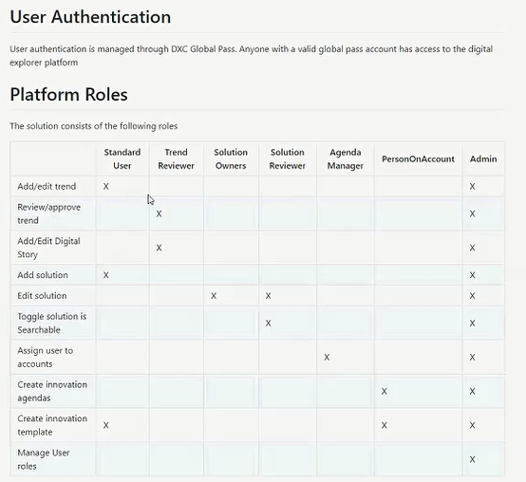
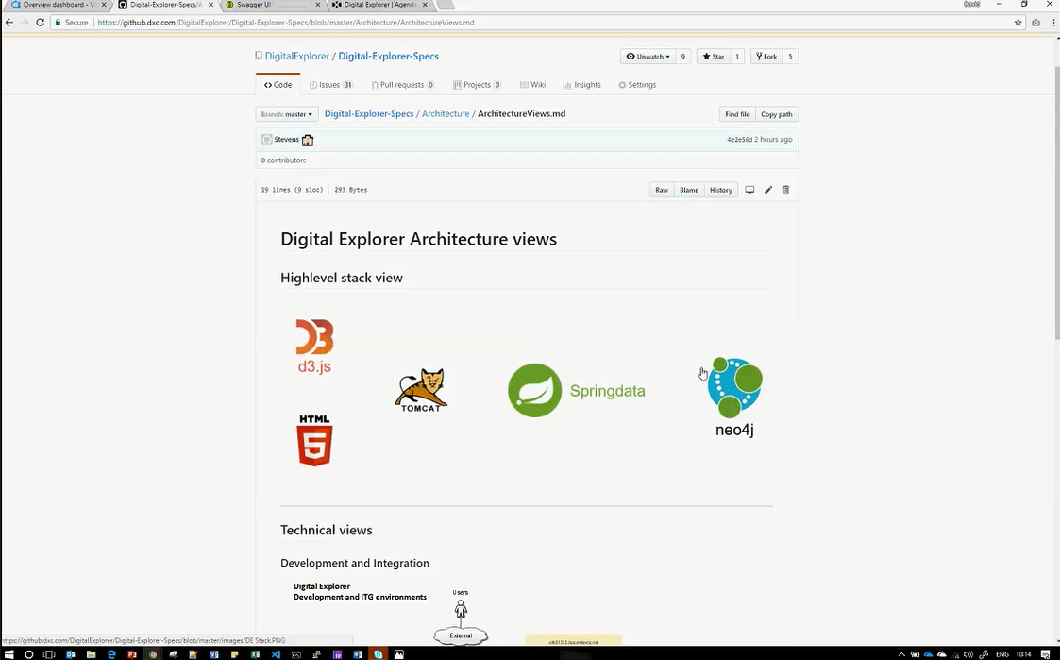
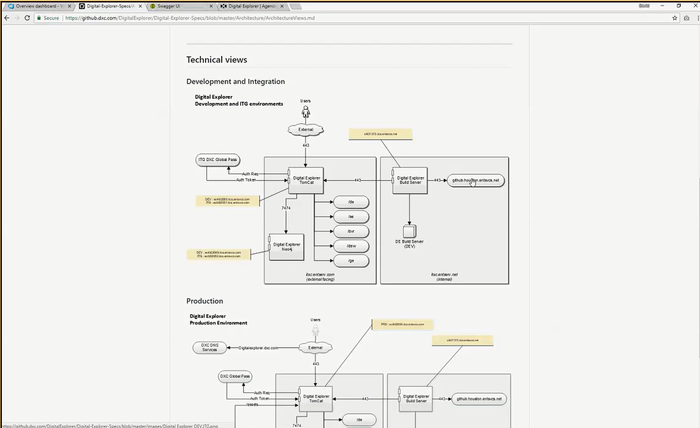
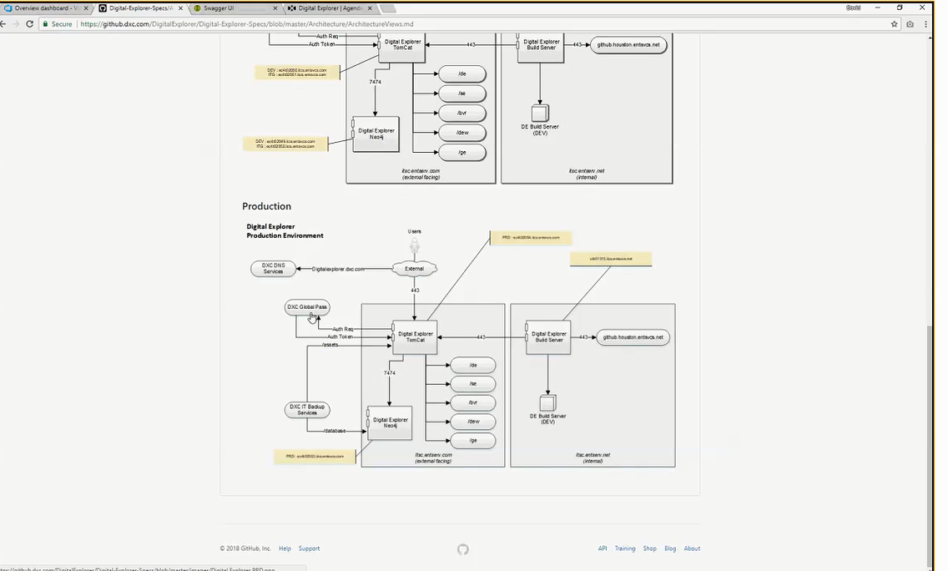
David Stevens : Product Owner and Architect for Digital Explorer
Digital explorer is a foundation tool that have various modules and it allows ppl to do certain things
Module-1 : Trends module - Catalogue of trends; it allows to capture & articulate what do we mean by industry trends, what is their maturity level, Industry use cases etc. It helps in deciding which direction customers are to be taken to. There are 1000+ trends available in the system as on today.
Module-2: Agendas module - allows to create "innovation agenda" for the clients. It allows account teams to client's business goals, KPIs; and it then introduce which trends are relevant to help the client meet those goals. It builds a roadmap to meet the goals from Q-1 to Q-4 or from yr-1 to yr2 and so on. It builds a chain of these trends together to reach a particular goal, the business trends and enabling technology. "Innovation agenda" may be 5-10, these are not many as these are very specific. It also accesses the risk levels and accordingly outline a strategic program, that have a goal. These goals are then added in SalesForce. It's a top-down approach driven through business requirements. Output is: Creates a set of strategic projects & Programs within an account team. These are then entered in SalesForce to show we have understood the business dimension as to why we are here and that becomes the account team's commitment to the client.
Module-3 : Solutions module - It captures the solutions that we have delivered. It's not the low-level details for installation or sales people of various offerings. It documents the building blocks of a solution - final composition of a solution stating which solution was designed using which offerings, partner capabilities. It links back Offering information from the original location (WhatWeSell) and is NOT a replacement for these systems and do not duplicate the information that is available at different sources.
Digital Explorer doesnot have restricted infomration or any account. Though, one can see the available solutions, it helps in plotting various trends like, region-based, industry-based, basis the available information, to show which region/ which type of accounts look for what kind of solutions. These show the demand trends & help us in setting our sales pitch.
Module-4 : Stories - Summarized view of what all is there in Digital Explorer to give a quick glimpse of the requirements for a particular industry or region, showing latest Top trens, solutions, blogs etc.

